A̳ssets
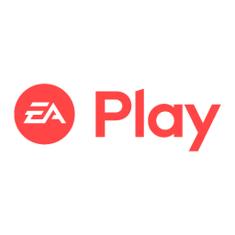
Paleta de Cores

# 9BC848 | Xbox Color | # E8E6E9 | negative zone
# 22C55E | Xbox Color
# 2AE6B1 | Menus
# 5BF6A8 | Menus

Logos |  |  |  | ícones

C̳álculos
1. Pergunta de negócio - Quanto foi faturado ao todo no ano de 2024?
2. Pergunta de negócio - Qual o faturamento anual por tipo de plano?
3. Pergunta de negócio - Quantos assinaram os dois planos extras - minecraft e EA plays?

1. Pergunta de negócio - Quanto foi faturado ao todo no ano de 2024?

Subscription Type | Quarterly

Plan | Soma de Subscription Price
Core | R$ 140.00
Standard | R$ 240.00
Ultimate | R$ 495.00
Total geral | R$ 875.00

R$ 875.00

3. Pergunta de negócio - Quantos assinaram os dois planos extras - minecraft e EA plays?

Assinatura planos extras | 98

Assinatura Total | 295

Subscription Type | Quarterly

Auto Renewal | Contagem de Plan
No | 25
Yes | 60
Total geral | 85

D̳ashboard
Xbox Game Pass Subscription Sales

R$ 875,00
TOTAL DE FATURAMENTO PLAN TYPE (R$)

 | Total
No | 25
Yes | 60
PROPORÇÃO POR AUTO RENEWAL
 | Total
Core | R$ 140.00
Standard | R$ 240.00
Ultimate | R$ 495.00
FATURAMENTO POR PLAN TYPE (R$)

